Calculation
 | Low-end investment cost estimate (millions of USD/GW/yr) | Source | High-end investment cost estimate (millions of USD/GW/yr) | Source | New non-China capacity needed to diversify 30% of supply by 2030 (GW/yr) | New non-China capacity needed to diversify 50% of supply by 2030 (GW/yr) | New non-China capacity needed to diversify 100% of supply by 2030 (GW/yr) | Low-end total investment required, 30% goal ($millions) | High-end total investment required, 30% goal ($millions) | Low-end total investment required, 50% goal ($millions) | High-end total investment required, 50% goal ($millions) | Low-end total investment required, 100% goal ($millions) | High-end total investment required, 100% goal ($millions)
 | The lower number of either 1.3x the least-expensive China-based estimate, or the least-expensive non-China estimate, accounting for inflation and exchange rate | <link> | The higher number of either 4x the most-expensive China-based estimate or the most-expensive non-China estimate, accounting for inflation and exchange rate | <link> | Assumes 565 GW of annual manufacturing capacity needed outside China at each step of manufacturing chain | Assumes 565 GW of annual manufacturing capacity needed outside China at each step of manufacturing chain | Assumes 565 GW of annual manufacturing capacity needed outside China at each step of manufacturing chain | column B * column F | column D * column F | column B * column G | column D * column G | column B * column H | column D * column H
Solar-grade polysilicon | 51.15 | https://www.pv-magazine.com/2022/03/15/chinese-pv-industry-brief-xinte-wants-to-add-another-200000-tons-of-polysilicon-capacity/ | 157.4 |  | 96.5 | 209.5 | 492 | 4935.975 | 15189.1 | 10715.925 | 32975.3 | 25165.8 | 77440.8
Ingot/wafer | 80.1 | (low-end) https://www.pv-magazine.com/2022/03/15/chinese-pv-industry-brief-xinte-wants-to-add-another-200000-tons-of-polysilicon-capacity/. (high-end) https://www.pv-magazine.com/2021/08/17/jinkosolar-builds-7-gw-wafer-factory-in-vietnam/ | 309.06 |  | 140.5 | 253.5 | 536 | 11254.05 | 43422.93 | 20305.35 | 78346.71 | 42933.6 | 165656.16
Cell | 72.69 | https://www.pv-magazine.com/2022/03/15/chinese-pv-industry-brief-xinte-wants-to-add-another-200000-tons-of-polysilicon-capacity/ | 223.67 |  | 93.5 | 206.5 | 489 | 6796.515 | 20913.145 | 15010.485 | 46187.855 | 35545.41 | 109374.63
Module | 67.85 | (low-end) https://www.pv-magazine.com/2022/03/15/chinese-pv-industry-brief-xinte-wants-to-add-another-200000-tons-of-polysilicon-capacity/. (high-end) https://qcells.com/us/stay-in-the-loop/trending-news-detail?newsId=NEW220512152944033 | 123.24 |  | 44.5 | 157.5 | 440 | 3019.325 | 5484.18 | 10686.375 | 19410.3 | 29854 | 54225.6

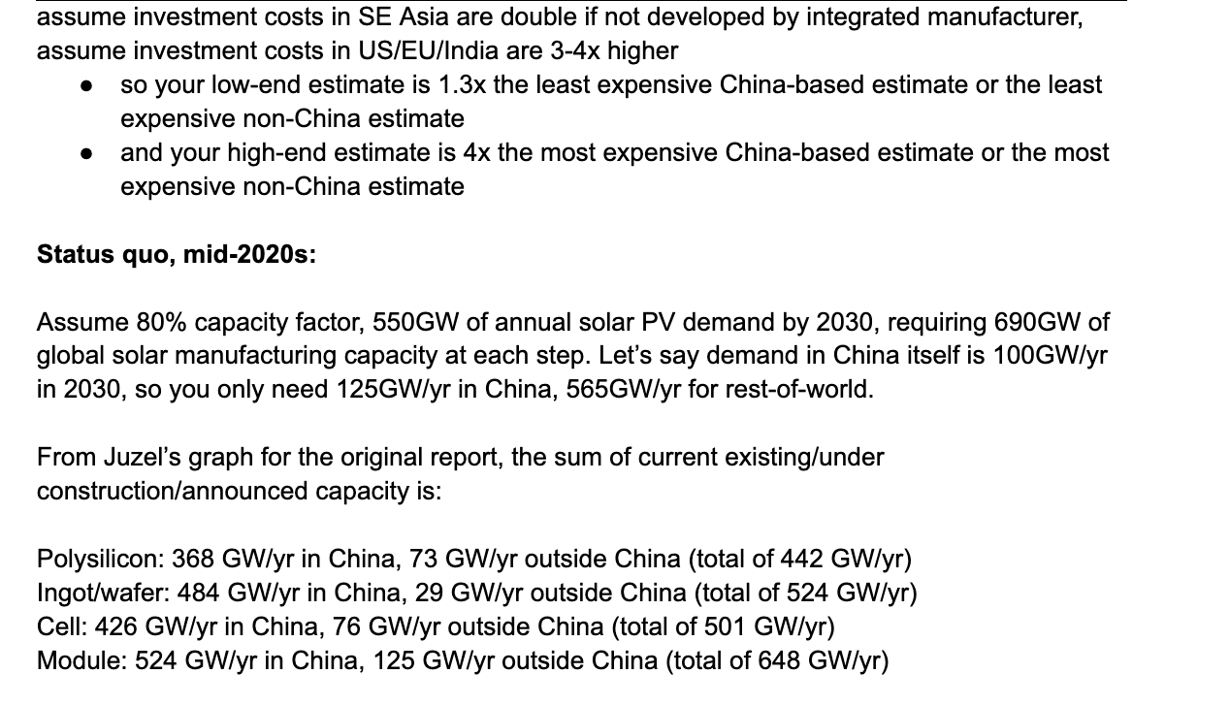

 |  |  | 492

 |  |  |  |  | Don't use first Solar - that's thin-film!
 |  |  | totals (GW/yr) |  | Just use the lower number
 |  |  | 441 |  | Remember to adjust for inflation
 |  |  | 513
 |  |  | 502
 |  |  | 649

 |  |  | Investment Before Inflation
 |  |  | Low-end investment cost estimate (millions of USD/GW/yr) | High-end investment cost estimate (millions of USD/GW/yr)
 |  |  | The lower number of either 1.3x the least-expensive China-based estimate, or the least-expensive non-China estimate, accounting for inflation and exchange rate | The higher number of either 4x the most-expensive China-based estimate or the most-expensive non-China estimate, accounting for inflation and exchange rate
 |  | Solar-grade polysilicon | 49.4 | 152
 |  | Ingot/wafer | 77.35 | 284
 |  | Cell | 70.2 | 216
 |  | Module | 65.52 | 121

