Twin Metals
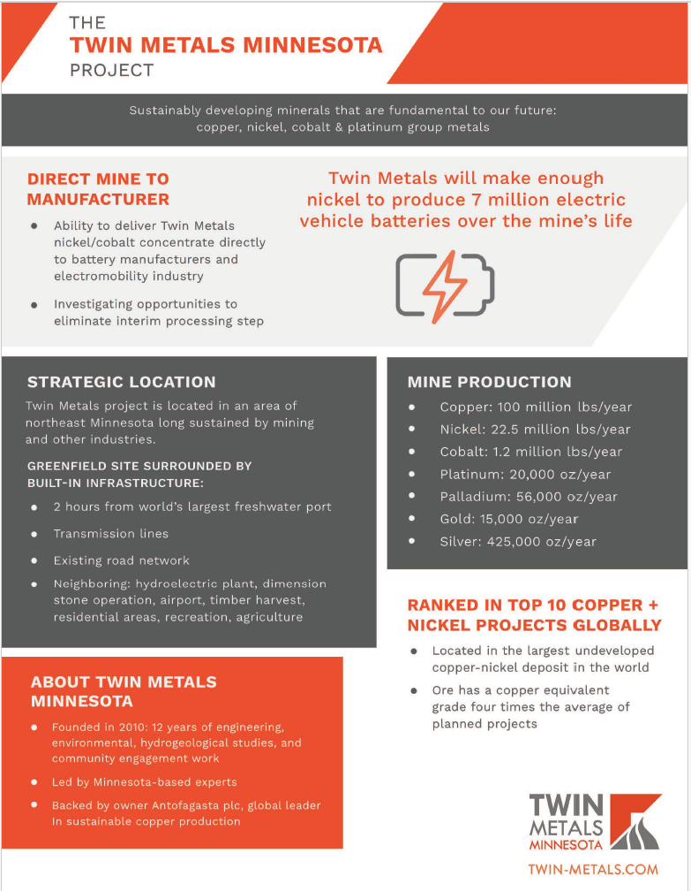
https://www.twin-metals.com/wp-content/uploads/2012/09/TMM-Project-PFS-Technical-Report.pdf
file:///C:/Users/pcook/Downloads/https___www.twin-metals.com_wp-content_uploads_2020_05_TMM-Mine-Plan-of-Operations_2019-1218-R%20(1).pdf |  |  |  |  |  | (for mine lifetime)
https://drive.google.com/file/d/1l-GzAY9I8lIgNK_QFWQu2AKdNzW8vXmF/view?usp=drive_link |  |  |  | (for production figures)
(kg) | NMC811 (60 kWh) |  | Summary
Lithium | 5 |  | Mine lifetime = 25 years
Cobalt | 5 |  | Mine produces copper, nickel, and cobalt (also gold, lead, platinum, palladium, silver)
Nickel | 39 |  | Number of NMC811 batteries produced over mine lifetime = |  |  |  | 2,721,554
Manganese | 5 |  | Limiting factor = cobalt
Graphite | 45
Aluminum | 30
Copper | 20
Phosphate | 0
***Note: Twin Metals will not produce lithium, manganese, graphite, aluminum, or phopshate

Copper (lbs/year) | 100,000,000 |  | Ratio of copper to nickel per year | 4.4444444444
Copper (kgs/year) | 45,359,237 |  | Ratio of copper to nickel total | 4.4444444444
Total Copper Production (kgs) | 1,133,980,925
Batteries from Copper | 56,699,046

Nickel (lbs/year) | 22,500,000
Nickel (kgs/year) | 10,205,828
Total Nickel Production | 255,145,708
Batteries from Nickel | 6,542,198

Cobalt (lbs/year) | 1,200,000
Cobalt (kgs/year) | 544,311
Total Cobalt Production | 13,607,771
Batteries from Cobalt | 2,721,554

REFERENCE ONLY:
Commodity / Factor | Lifetime Total | Year 1 | Year 2 | Year 3 | Year 4 | Year 5 | Year 6 | Year 7 | Year 8 | Year 9 | Year 10 | Year 11 | Year 12 | Year 13 | Year 14 | Year 15 | Year 16 | Year 17 | Year 18 | Year 19 | Year 20 | Year 21 | Year 22 | Year 23 | Year 24 | Year 25
Total Production (million metric tonnes) |  | 5.54 | 6.62 | 6.62 | 6.57 | 6.54 | 6.61 | 6.58 | 6.62 | 6.62 | 6.62 | 6.62 | 6.62 | 6.62 | 6.62 | 6.61 | 6.53 | 6.51 | 6.58 | 6.56 | 6.62 | 6.62 | 6.58 | 6.62 | 6.44 | 6.22
Total Production (metric tonnes) |  | 5,540,000 | 6,620,000 | 6,620,000 | 6,570,000 | 6,540,000 | 6,610,000 | 6,580,000 | 6,620,000 | 6,620,000 | 6,620,000 | 6,620,000 | 6,620,000 | 6,620,000 | 6,620,000 | 6,610,000 | 6,530,000 | 6,510,000 | 6,580,000 | 6,560,000 | 6,620,000 | 6,620,000 | 6,580,000 | 6,620,000 | 6,440,000 | 6,220,000
Total Production (kgs) |  | 5,540,000,000 | 6,620,000,000 | 6,620,000,000 | 6,570,000,000 | 6,540,000,000 | 6,610,000,000 | 6,580,000,000 | 6,620,000,000 | 6,620,000,000 | 6,620,000,000 | 6,620,000,000 | 6,620,000,000 | 6,620,000,000 | 6,620,000,000 | 6,610,000,000 | 6,530,000,000 | 6,510,000,000 | 6,580,000,000 | 6,560,000,000 | 6,620,000,000 | 6,620,000,000 | 6,580,000,000 | 6,620,000,000 | 6,440,000,000 | 6,220,000,000
Copper Grade (%) |  | 0.76 | 0.81 | 0.78 | 0.73 | 0.73 | 0.75 | 0.72 | 0.68 | 0.7 | 0.71 | 0.72 | 0.7 | 0.7 | 0.72 | 0.69 | 0.68 | 0.68 | 0.65 | 0.66 | 0.61 | 0.57 | 0.65 | 0.66 | 0.64 | 0.6
Nickel Grade (%) |  | 0.24 | 0.26 | 0.25 | 0.24 | 0.24 | 0.24 | 0.24 | 0.23 | 0.24 | 0.24 | 0.24 | 0.24 | 0.24 | 0.23 | 0.22 | 0.21 | 0.2 | 0.19 | 0.19 | 0.18 | 0.16 | 0.2 | 0.2 | 0.2 | 0.19
Cobalt Grade (ppm) |  | 130 | 130 | 130 | 130 | 120 | 120 | 120 | 120 | 110 | 110 | 110 | 110 | 110 | 110 | 100 | 100 | 100 | 90 | 90 | 90 | 90 | 100 | 100 | 100 | 100
Copper Grade (decimal) |  | 0.0076 | 0.0081 | 0.0078 | 0.0073 | 0.0073 | 0.0075 | 0.0072 | 0.0068 | 0.007 | 0.0071 | 0.0072 | 0.007 | 0.007 | 0.0072 | 0.0069 | 0.0068 | 0.0068 | 0.0065 | 0.0066 | 0.0061 | 0.0057 | 0.0065 | 0.0066 | 0.0064 | 0.006
Nickel Grade (decimal) |  | 0.0024 | 0.0026 | 0.0025 | 0.0024 | 0.0024 | 0.0024 | 0.0024 | 0.0023 | 0.0024 | 0.0024 | 0.0024 | 0.0024 | 0.0024 | 0.0023 | 0.0022 | 0.0021 | 0.002 | 0.0019 | 0.0019 | 0.0018 | 0.0016 | 0.002 | 0.002 | 0.002 | 0.0019
Cobalt Grade (decimal) |  | 0.00013 | 0.00013 | 0.00013 | 0.00013 | 0.00012 | 0.00012 | 0.00012 | 0.00012 | 0.00011 | 0.00011 | 0.00011 | 0.00011 | 0.00011 | 0.00011 | 0.0001 | 0.0001 | 0.0001 | 0.00009 | 0.00009 | 0.00009 | 0.00009 | 0.0001 | 0.0001 | 0.0001 | 0.0001
Copper Production (kgs) |  | 42,104,000 | 53,622,000 | 51,636,000 | 47,961,000 | 47,742,000 | 49,575,000 | 47,376,000 | 45,016,000 | 46,340,000 | 47,002,000 | 47,664,000 | 46,340,000 | 46,340,000 | 47,664,000 | 45,609,000 | 44,404,000 | 44,268,000 | 42,770,000 | 43,296,000 | 40,382,000 | 37,734,000 | 42,770,000 | 43,692,000 | 41,216,000 | 37,320,000
Nickel Production (kgs) |  | 13,296,000 | 17,212,000 | 16,550,000 | 15,768,000 | 15,696,000 | 15,864,000 | 15,792,000 | 15,226,000 | 15,888,000 | 15,888,000 | 15,888,000 | 15,888,000 | 15,888,000 | 15,226,000 | 14,542,000 | 13,713,000 | 13,020,000 | 12,502,000 | 12,464,000 | 11,916,000 | 10,592,000 | 13,160,000 | 13,240,000 | 12,880,000 | 11,818,000
Cobalt Production (kgs) |  | 720,200 | 860,600 | 860,600 | 854,100 | 784,800 | 793,200 | 789,600 | 794,400 | 728,200 | 728,200 | 728,200 | 728,200 | 728,200 | 728,200 | 661,000 | 653,000 | 651,000 | 592,200 | 590,400 | 595,800 | 595,800 | 658,000 | 662,000 | 644,000 | 622,000
Batteries from Copper |  | 2,105,200 | 2,681,100 | 2,581,800 | 2,398,050 | 2,387,100 | 2,478,750 | 2,368,800 | 2,250,800 | 2,317,000 | 2,350,100 | 2,383,200 | 2,317,000 | 2,317,000 | 2,383,200 | 2,280,450 | 2,220,200 | 2,213,400 | 2,138,500 | 2,164,800 | 2,019,100 | 1,886,700 | 2,138,500 | 2,184,600 | 2,060,800 | 1,866,000
Batteries from Nickel |  | 340,923 | 441,333 | 424,359 | 404,308 | 402,462 | 406,769 | 404,923 | 390,410 | 407,385 | 407,385 | 407,385 | 407,385 | 407,385 | 390,410 | 372,872 | 351,615 | 333,846 | 320,564 | 319,590 | 305,538 | 271,590 | 337,436 | 339,487 | 330,256 | 303,026
Batteries from Cobalt | 3,550,380 | 144,040 | 172,120 | 172,120 | 170,820 | 156,960 | 158,640 | 157,920 | 158,880 | 145,640 | 145,640 | 145,640 | 145,640 | 145,640 | 145,640 | 132,200 | 130,600 | 130,200 | 118,440 | 118,080 | 119,160 | 119,160 | 131,600 | 132,400 | 128,800 | 124,400

